Basics
Часть 1 |  | Общее описание работы MolecularJS
ServiceBroker + ApiGateway + Services
Modular interfaces |  | Services expose their functionality exclusively cia actions and events, enabling modularity and reuse. This clear interfac boudary allows independent development and testing
Communication Abstractions | Пояснение! Синхронная RPC (Remote Procedure Call) — это модель взаимодействия в распределённых системах, при которой клиентский код вызывает удалённую процедуру (функцию на сервере) и блокируется до получения ответа. Это имитирует поведение локального вызова функции, но через сеть. | Actions provide synchronous RPC semanitcs, while events introduce asynchronous, decoupled messaging. Brokers transparantly manage the communication channels and resilience
Scalability and Fault Tolerence |  | Broker clustering and srevice replication enable horizontal scaling and greacful degradation. Load balancing ensures even distribution and event-driven designs monomoze cascading failures
Extensibility and Customization |  | Middleware hooks on actions and events allow insertion of cross-cutting concerns such as authentication, logging, and metrics without cluttering business logic
Project structure
 |  | 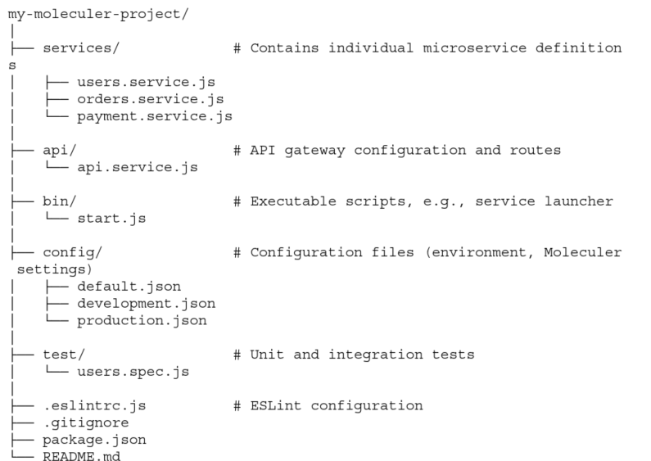
Последовательность исполнения запроса пользователя
 | Шаг 1 | Пользователь делает запрос (например, HTTP-запрос к API Gateway).
 | Шаг 2 | API Gateway (например, moleculer-web) вызывает действие сервиса через broker.call().
 | Шаг 3 | Action Handler выполняет логику и возвращает результат:
 |  | actions: { getUser(ctx) { return { id: 1, name: "Alice" }; // Этот объект станет телом ответа } }
 | Шаг 4 | API Gateway преобразует результат в формат (JSON, XML и т.д.) и отправляет клиенту.
Структура проекта
Controller = |  | API Gateway автоматически преобразует её в HTTP-ответ. Пояснение! То есть специально настраивать API Gateway на отправку определенного сигнала не требуется. Нужно лишь правильно создать ошибку (отнаследовав ее от MoleculerError) с необходимым кодом ответа
 | Отправка ошибок | actions: { fail(ctx) { throw new Error("Something went wrong"); } }
 | Ответ клиенту | { "code": 500, "type": "INTERNAL_SERVER_ERROR", "message": "Something went wrong" }
Custom Error creation | Смотри xls sheet - Controller (MoleculerError) | const { MoleculerError } = require("moleculer").Errors; class MyBusinessError extends MoleculerError { constructor(msg, data) { super(msg || `This is my business error.`, 500, "MY_BUSINESS_ERROR", data); } } | `https://moleculer.services/docs/0.14/errors
Service = | Middleware | в middleware происходит обработка глобальных ошибок Сервисов. Под глобальными ошибками понимаются, такие которые релевантны для всех сервисов | Выбрасывает ошибку
 | Hooks - Error hooks | в middleware происходит обработка локальных ошибок Сервисов. Под локальными ошибками понимаются, такие которые релевантны только для одного сервисоа | Выбрасывает ошибку
 | Actions |  | Выбрасывает ошибку
Repository = | Methods

SB, config.js, env, Logging
 |  | Moleculer Runner | `https://moleculer.services/docs/0.14/runner
 |  | With it, you don’t need to create a ServiceBroker instance with options. Instead, you can create a moleculer.config.js file in the root of repo with broker options.
Create Moleculer runner | moleculer.config.js | Service Broker вариант 2 =
 | 1 | Create a moleculer.config.js file in the root of repo with broker options. Create a moleculer.config.js
 | 2 Note: It runs in this format in NPM scripts only. To call it directly from your console, use the ./node_modules/.bin/moleculer-runner --repl or node ./node_modules/moleculer/bin/moleculer-runner.js --repl format. | Then simply call the moleculer-runner in NPM script, and it will automatically load the configuration file, create the broker and load the services. moleculer-runner [options] [service files or directories or glob masks]
Option | Type | Default | Description
moleculer-runner [options] [service files or directories or glob masks]
-r, --repl | Boolean | false | If true, it switches to REPL mode after broker started.
-s, --silent | Boolean | false | Disable the broker logger. It prints nothing to the console.
-H, --hot | Boolean | false | Hot reload services when they change.
-c, --config <file> | String | null | Load configuration file from a different path or a different filename.
-e, --env | Boolean | false | Load environment variables from the ‘.env’ file from the current folder.
-E, --envfile <file> | String | null | Load environment variables from the specified file.
-i, --instances | Number | null | Launch [number] node instances or max for all cpu cores (with cluster module)
Example NPM scripts
 |  | { "scripts": {
Шаг 4 | The dev script loads development configurations from the moleculer.dev.config.js file, start all services from the services folder, enable hot-reloading and switches to REPL mode. Run it with the npm run dev command. | "dev": "moleculer-runner --repl --hot --config moleculer.dev.config.js services",
 | The start script is to load the default moleculer.config.js file if it exists, otherwise only loads options from environment variables. Starts 4 instances of broker, then they start all services from the services folder. Run it with npm start command. | "start": "moleculer-runner --instances=max services" } }
Glob patterns |  |  | `https://moleculer.services/docs/0.14/runner#Glob-patterns
 | Пояснения! 1 services - legacy mode. Load all services from the services folder with **/*.service.js file mask. 2 !services/others/**/*.service.js - skip all services in the services/others folder and sub-folders. 3 services/others/mandatory/main.service.js - load the exact service. Уточнение! The glob patterns work in the SERVICES environment variables, as well. | If you want to be more specific, use glob patterns. It is useful when loading all services except certain ones. moleculer-runner services !services/others/**/*.service.js services/others/mandatory/main.service.js
Built-in clustering
 |  | Moleculer Runner has a built-in clustering function to start multiple instances from your broker.
Start all services from the services folder in 4 instances. |  | moleculer-runner --instances 4 services
 | Clustered Node ID | The nodeID will be suffixed with the worker ID. E.g. if you define my-node nodeID in options, and starts 4 instances, the instance nodeIDs will be my-node-1, my-node-2, my-node-3, my-node-4.
Configuration file | moleculer.config.js |  | `https://moleculer.services/docs/0.14/runner#Configuration-file
 |  | The structure of the configuration file is the same as that of the broker options. Every property has the same name.
Шаг 3 |  | // moleculer.config.js module.exports = { nodeID: "node-test", logger: true, logLevel: "debug", transporter: "nats://localhost:4222", requestTimeout: 5 * 1000, circuitBreaker: { enabled: true }, metrics: true };
Asynchronous Configuration file | moleculer.config.js | Если конфигурационный файл расположен в облаке | `https://moleculer.services/docs/0.14/runner#Asynchronous-Configuration-file
 |  | Moleculer Runner also supports asynchronous configuration files. In this case moleculer.config.js must export a Function that returns a Promise (or you can use async/await).
 | Обращение к свойствам Loader! This function runs with the MoleculerRunner instance as the this context. Useful if you need to access the flags passed to the runner. | // moleculer.config.js const fetch = require("node-fetch"); module.exports = async function() { const res = await fetch("https://pastebin.com/raw/SLZRqfHX"); return await res.json(); };
Environment variables | .env files
Шаг 1 |  | Install the dotenv module with npm install dotenv --save command.
Шаг 2 | Moleculer runner can load .env file at starting. There are two new cli options to load env file: -e, --env - Load environment variables from the ‘.env’ file from the current folder. -E, --envfile <filename> - Load environment variables from the specified file. | # Load the default .env file from current directory $ moleculer-runner --env # Load the specified .my-env file $ moleculer-runner --envfile .my-env
 |  | 1 The runner transforms the property names to uppercase. 2 If nested, the runner concatenates names with _. | `https://moleculer.services/docs/0.14/runner#Environment-variables
 | Критически важно! It loads the math.service.js, post.service.js and user.service.js files from the services folder. SERVICEDIR=services SERVICES=math,post,user It loads all *.service.js files from the my-services folder (including sub-folders too). SERVICEDIR=my-services | NODEID=node-test LOGGER=true LOGLEVEL=debug # Shorthand transporter TRANSPORTER=nats://localhost:4222 REQUESTTIMEOUT=5000 # Nested property CIRCUITBREAKER_ENABLED=true METRICS=true

 |  | Logging | `https://moleculer.services/docs/0.14/logging
Logging
 |  | All Moleculer’s core modules have a custom logger instance. They are inherited from the broker logger instance which can be configured in the broker options.
 |  | This logger prints all log messages to the console. It supports several built-in formatters or you can use your custom formatter, as well.
Multiple Loggers | moleculer.config.js |  | `https://moleculer.services/docs/0.14/logging#Multiple-Loggers
 | This example shows a configuration of Console logger, a File logger that saves all log messages in formatted text file and another File logger that only saves error messages in JSON format. | module.exports = { logger: [ { type: "Console", options: { level: "info", } }, { type: "File", options: { level: "info", folder: "/logs/moleculer", filename: "all-{date}.log", formatter: "{timestamp} {level} {nodeID}/{mod}: {msg}" } }, { type: "File", options: { level: "error", folder: "/logs/moleculer", filename: "errors-{date}.json", formatter: "json" } } ] };
Filtering | moleculer.config.js |  | `https://moleculer.services/docs/0.14/logging#Filtering
 |  | module.exports = { logger: [ // Shorthand `Console` logger configuration "Console", { // This logger saves messages from all modules except "greeter" service. type: "File", options: { level: { "GREETER": false, "**": "info" }, filename: "moleculer-{date}.log" } }, { // This logger saves messages from only "greeter" service. type: "File", options: { level: { "GREETER": "debug", "**": false }, filename: "greeter-{date}.log" } } ], logLevel: "info" // global log level. All loggers inherits it. };
Log Level Setting | moleculer.config.js |  | `https://moleculer.services/docs/0.14/logging#Log-Level-Setting
 | To configure logging levels, you can use the well-known logLevel broker option which can be a String or an Object. However, it is also possible to overwrite it in all logger options with the level property. | module.exports = { logger: [ // The console logger will use the `logLevel` global setting. "Console", { type: "File", options: { // Overwrite the global setting. level: { "GREETER": false, "**": "warn" //local setting override happened } } } ], logLevel: { //global setting "TRACING": "trace", "TRANS*": "warn", "GREETER": "debug", "**": "info", } };
Console (default) |  |  | `https://moleculer.services/docs/0.14/logging#Console-default
Full configuration | moleculer.config.js
 |  | module.exports = { logger: { type: "Console", options: { // Logging level level: "info", // Using colors on the output colors: true, // Print module names with different colors (like docker-compose for containers) moduleColors: false, // Line formatter. It can be "json", "short", "simple", "full", a `Function` or a template string like "{timestamp} {level} {nodeID}/{mod}: {msg}" formatter: "full", // Custom object printer. If not defined, it uses the `util.inspect` method. objectPrinter: null, // Auto-padding the module name in order to messages begin at the same column. autoPadding: false } } };
File
 | moleculer.config.js | This logger saves all log messages to file(s). It supports JSON & formatted text files or you can use your custom formatter, as well.
Shorthand configuration with default options
 | It will save the log messages to the logs folder in the current directory with moleculer-{date}.log filename. | module.exports = { logger: "File", };
Full configuration
 |  | module.exports = { logger: { type: "File", options: { // Logging level level: "info", // Folder path to save files. You can use {nodeID} & {namespace} variables. folder: "./logs", // Filename template. You can use {date}, {nodeID} & {namespace} variables. filename: "moleculer-{date}.log", // Line formatter. It can be "json", "short", "simple", "full", a `Function` or a template string like "{timestamp} {level} {nodeID}/{mod}: {msg}" formatter: "json", // Custom object printer. If not defined, it uses the `util.inspect` method. objectPrinter: null, // End of line. Default values comes from the OS settings. eol: "\n", // File appending interval in milliseconds. interval: 1 * 1000 } } };
Log4js |  |  | `https://moleculer.services/docs/0.14/logging#Log4js
 | moleculer.config.js | To use this logger please install the log4js module with npm install log4js --save command.
Shorthand configuration with default options
 |  | module.exports = { logger: "Log4js", };
Full configuration
 |  | module.exports = { logger: { type: "Log4js", options: { // Logging level level: "info", log4js: { // More info: https://github.com/log4js-node/log4js-node#usage appenders: { app: { type: "file", filename: "/logs/moleculer.log" } }, categories: { default: { appenders: [ "app" ], level: "debug" } } } } } };
Datadog |  |  | `https://moleculer.services/docs/0.14/logging#Datadog
 | moleculer.config.js | This logger uploads log messages to the Datadog server. Please note, this logger doesn’t print any messages to the console, just collects & uploads. Use it beside another logger which also prints the messages.
Shorthand configuration with default options
 |  | module.exports = { logger: "Datadog", };
Full configuration
 | 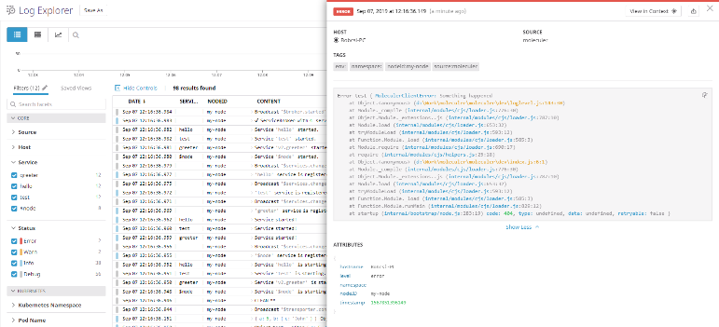 | module.exports = { logger: { type: "Datadog", options: { // Logging level level: "info", // Datadog server endpoint. https://docs.datadoghq.com/api/?lang=bash#send-logs-over-http url: "https://http-intake.logs.datadoghq.com/v1/input/", // Datadog API key apiKey: process.env.DATADOG_API_KEY, // Datadog source variable ddSource: "moleculer", // Datadog env variable env: undefined, // Datadog hostname variable hostname: os.hostname(), // Custom object printer function for `Object` & `Ąrray` objectPrinter: null, // Data uploading interval interval: 10 * 1000 } } };

events{}
Часть 1 |  | Services - Events
Events |  |  | `https://moleculer.services/docs/0.14/services#Events https://moleculer.services/docs/0.14/events
 |  | Complementing actions, events provide an asynchronous, publish-subscribe communication mechanism essential in distributed architectures.
 |  | Services can emit events to signal state changes or trigger system-wide notifications without expecting direct responses.
 |  | Events facilitate the implementation of patterns such as 1 event sourcing 2 CORS (Command query responsibility segregation) 3 saga-based distributed transactions
 |  | You can subscribe to events under the events key. For more information check the events documentation.
 |  | Broker has a built-in event bus to support Event-driven architecture and to send events to local and remote services. Очень важно - по умолчанию действует как UDP протокол! Please note that built-in events are fire-and-forget meaning that if the service is offline, the event will be lost. Очень важно - если нужно настроить как TCP протокол! Reliable messages for Moleculer services via external queue/channel/topic. Unlike moleculer built-in events, this is not a fire-and-forget solution. It's a persistent, durable and reliable message sending solution. The module uses an external message queue/streaming server that stores messages until they are successfully processed. It supports consumer groups, which means that you can run multiple instances of consumer services, incoming messages will be balanced between them. `https://github.com/moleculerjs/moleculer-channels
Subscribe to events |  |  | `https://moleculer.services/docs/0.14/events#Subscribe-to-events
Варианты подписок
 | "user.created"(ctx) {..} | Subscribe to "user.created"
 | "user.*"(ctx) {..} // | Subscribe to all "user.*" events, e.g. "user.created", or "user.removed"
 | "$node.connected"(ctx) {..} | Subscribe to a local event
 | "**"(ctx) { console.log(`Event '${event}' received from ${sender} node:`, payload); } | Subscribe to every event
Реализация events
No validation, сокращенная запись | Вариант 1 | // report.service.js module.exports = { name: "report", events: { // Subscribe to "user.created" event "user.created"(ctx) { this.logger.info("User created:", ctx.params); // Do something }, // Subscribe to all "user.*" events "user.*"(ctx) { console.log("Payload:", ctx.params); console.log("Sender:", ctx.nodeID); console.log("Metadata:", ctx.meta); console.log("The called event name:", ctx.eventName); } // Subscribe to a local event "$node.connected"(ctx) { this.logger.info(`Node '${ctx.params.id}' is connected!`); } } }; | Пояснение! Подписка осуществляется в отличном от события сервисе. Call события всегда происходит внутри того сервиса, который имеет название соответсвующее методу, указанному в названии события
Validation, подробная запись | Вариант 2 Очень важно! The validation errors are not sent back to the caller, they are logged or you can catch them with the new global error handler. The global error handler is generic way to handle exceptions. It catches the unhandled errors of action & event handlers. const broker = new ServiceBroker({ errorHandler(err, info) { // Handle the error this.logger.warn("Error handled:", err); } }); ~https://moleculer.services/docs/0.14/broker#Global-error-handler | // mailer.service.js module.exports = { name: "mailer", events: { "send.mail": { // Validation schema with shorthand notation // More info: https://github.com/icebob/fastest-validator#shorthand-definitions params: { from: "string|optional", to: "email", subject: "string" }, handler(ctx) { this.logger.info("Event received, parameters OK!", ctx.params); } } } }; | `https://moleculer.services/docs/0.14/validating#Events-Validation `https://moleculer.services/docs/0.14/events#Event-parameter-validation
Подписка с контекстом
 | context: true Типичные случаи использования: 1 Когда нужно работать с метаданными события 2 Когда нужно знать отправителя события 3 Когда требуется доступ к полной информации о событии Зачем нужно context: true 1 Без context: true обработчик получает только параметры события (params) 2 С context: true обработчик получает полный контекст, включая params, meta, eventName и другие свойства // Без context: true "user.removed": { handler(payload) { // payload содержит только данные события } } // С context: true "user.removed": { context: true, handler(ctx) { // ctx содержит полный контекст: // ctx.params - параметры // ctx.meta - метаданные // ctx.eventName - имя события } } | module.exports = { name: "accounts", events: { "user.created"(ctx) { // Not forcing to use context based signature console.log("Payload:", ctx.params); console.log("Sender:", ctx.nodeID); console.log("Metadata:", ctx.meta); console.log("The called event name:", ctx.eventName); ctx.emit("accounts.created", { user: ctx.params.user }); }, "user.removed": { // Force to use context based signature context: true, handler(other) { console.log(`${this.broker.nodeID}:${this.fullName}: Event '${other.eventName}' received. Payload:`, other.params, other.meta); } } } }; | Особенность именования Обратите внимание, что параметр часто называют ctx (общепринятое сокращение для "context"), но в вашем примере используется other - это просто имя переменной, оно может быть любым.
Grouping |  |  | `https://moleculer.services/docs/0.14/events#Balanced-events
 | The event listeners are arranged to logical groups. It means that only one listener is triggered in every group. | The group name comes from the service name, but it can be overwritten in event definition in services.
subscribe | Зачем нужен? Если создано много реплик одного сервиса, у которого определены одинаковые слушатели событий, то чтобы они все не отработали один emit их распределяют по группам. Те сервисы, которые будут вызывать эти события, должны будет передать название групп слушателей этих реплик, которым они хотят это событие передать. | module.exports = { name: "payment", events: { "order.created": { // Register handler to the "other" group instead of "payment" group. group: "other", handler(ctx) { console.log("Payload:", ctx.params); console.log("Sender:", ctx.nodeID); console.log("Metadata:", ctx.meta); console.log("The called event name:", ctx.eventName); } } } }
emit |  | Send to all "mail" service/groups instances broker.broadcast("user.created", { user }, "mail"); Send to all "user" & "purchase" service/groups instances. broker.broadcast("user.created", { user }, ["user", "purchase"]);
emit events
 |  | Пояснение! Подписка осуществляется в отличном от события сервисе. Call события всегда происходит внутри того сервиса, который имеет название соответсвующее методу, указанному в названии события
Emit | Balanced event type | Важно! Вызов происходит только по наименованию listener. Также опционально можно указать название сервиса или группы | Отличие balanced и unbalanced
 | Send balanced events with broker.emit function. The first parameter is the name of the event, the second parameter is the payload. To send multiple values, wrap them into an Object. | The `user` will be serialized to transportation. broker.emit("user.created", user); Only the `mail` & `payments` services/groups receives it broker.emit("user.created", user, ["mail", "payments"]); | 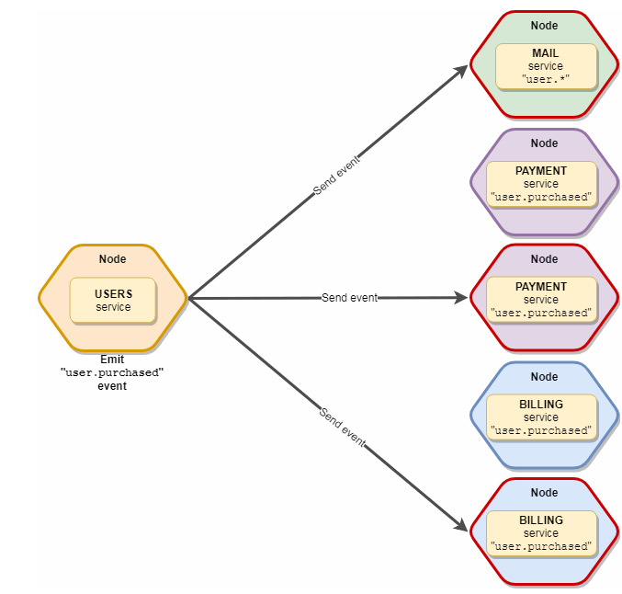 Balanced Событие отправляется на первую свободную ноду
Broadcast | Unbalanced event type | The broadcast event is sent to all available local & remote services. It is not balanced, all service instances will receive it.
 | Зачем нужен grouping? Пояснение! Если создано много реплик одного сервиса, у которого определены одинаковые слушатели событий, то чтобы они все не отработали один emit их распределяют по группам. Те сервисы, которые будут вызывать эти события, должны будет передать название групп слушателей этих реплик, которым они хотят это событие передать. | Send broadcast events with broker.broadcast method. broker.broadcast("config.changed", config); Send to all "mail" service/groups instances broker.broadcast("user.created", { user }, "mail"); Send to all "user" & "purchase" service/groups instances. broker.broadcast("user.created", { user }, ["user", "purchase"]); | 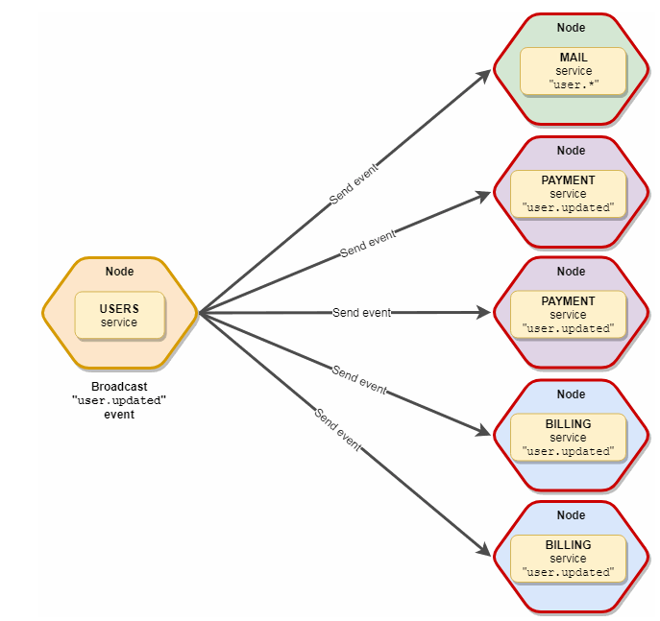 Unbalanced Событие отправляется на все ноды (шарды, реплики)
Local broadcast | Balanced event type
 | Send broadcast events only to all local services with broker.broadcastLocal method. | Broadcast local balanced events broker.broadcastLocal("config.changed", config); Broadcast local balanced events service/groups instances broker.broadcastLocal("config.changed", config, "mail");
Пример
email.service.js (подписчик)
 |  | module.exports = { name: "email", events: { async "user.created"(user) { await this.sendWelcomeEmail(user.email); } }, methods: { sendWelcomeEmail(email) { console.log("✉️ Sent email to:", email); } } };
user.service.js (издатель)
 |  | module.exports = { name: "user", actions: { async register(ctx) { const user = { id: 1, email: "alice@example.com" }; // Отправка события ctx.emit("user.created", user); return user; } } };

settings{}depend()
 |  | Services - settings Services - Dependencies Services - Metadata
settings |  |  | `https://moleculer.services/docs/0.14/services#Settings
 |  | The settings property is a static store, where you can store every settings/options to your service. You can reach it via this.settings inside the service.
 | Note: The settings is also obtainable on remote nodes. It is transferred during service discovering. | // mailer.service.js module.exports = { name: "mailer", settings: { transport: "mailgun" }, action: { send(ctx) { if (this.settings.transport == "mailgun") { ... } } } }
 |  | Authorization | `https://moleculer.services/docs/0.14/services#Secure-service-settings
 |  | // mail.service.js module.exports = { name: "mailer", settings: { $secureSettings: ["transport.auth.user", "transport.auth.pass"], from: "sender@moleculer.services", transport: { service: 'gmail', auth: { user: 'gmail.user@gmail.com', pass: 'yourpass' } } } // ... }; | 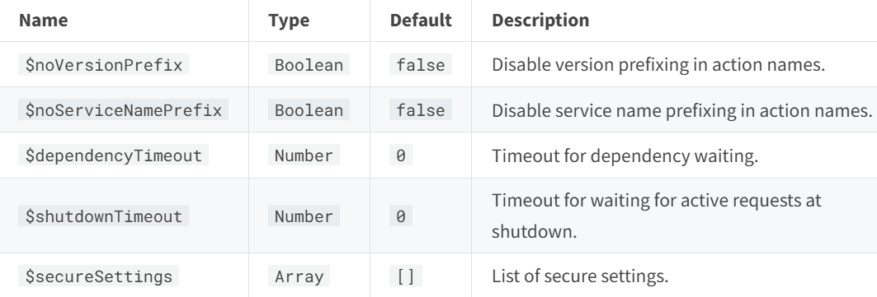 Internal Settings
Dependencies |  |  | `https://moleculer.services/docs/0.14/services#Dependencies
 |  | If your service depends on other services, use the dependencies property in the schema. The service waits for dependent services before calls the started lifecycle event handler.
 | Пояснение к примеру! The started service handler is called once the likes, v2.auth, v2.users, staging.comments services are available (either the local or remote nodes). Avoid deadlocks Deadlocks can occur when two services wait for each other. E.g.: users service has dependencies: ["posts"] and posts service has dependencies: ["users"]. To avoid it, remove the concerned service from dependencies and use this.waitForServices method in started handler instead. | // posts.service.js module.exports = { name: "posts", settings: { $dependencyTimeout: 30000 // Default: 0 - no timeout }, dependencies: [ "likes", // shorthand w/o version "v2.auth", // shorthand w version { name: "users", version: 2 }, // with numeric version { name: "comments", version: "staging" } // with string version ], async started() { this.logger.info("It will be called after all dependent services are available."); const users = await this.broker.call("users.list"); } .... }
Metadata |  |  | `https://moleculer.services/docs/0.14/services#Metadata
 |  | You can store in it whatever you want.
 | Важно! The metadata is also obtainable on remote nodes. It is transferred during service discovering. | module.exports = { name: "posts", settings: {}, metadata: { scalable: true, priority: 5 }, actions: { ... } };

